What is Subplotting& What if
MATPLOTLIB (BASICS) SUBPLOTTING | REFERENCE

⇰ REMEMBER YOU CAN CHECK OUT ANY HYPER PARAMS FROM THIS CONTENTS (Pl see Index in Left Side go in Subsection you want to go & Navigate Further in Line (MATPLOTLIB DASHBOARD) | ⇰REFERENCE (Website)--> Matplotlib (Dashboard) Regarding Matplotlib 's Subplot All Parameter Navigation)

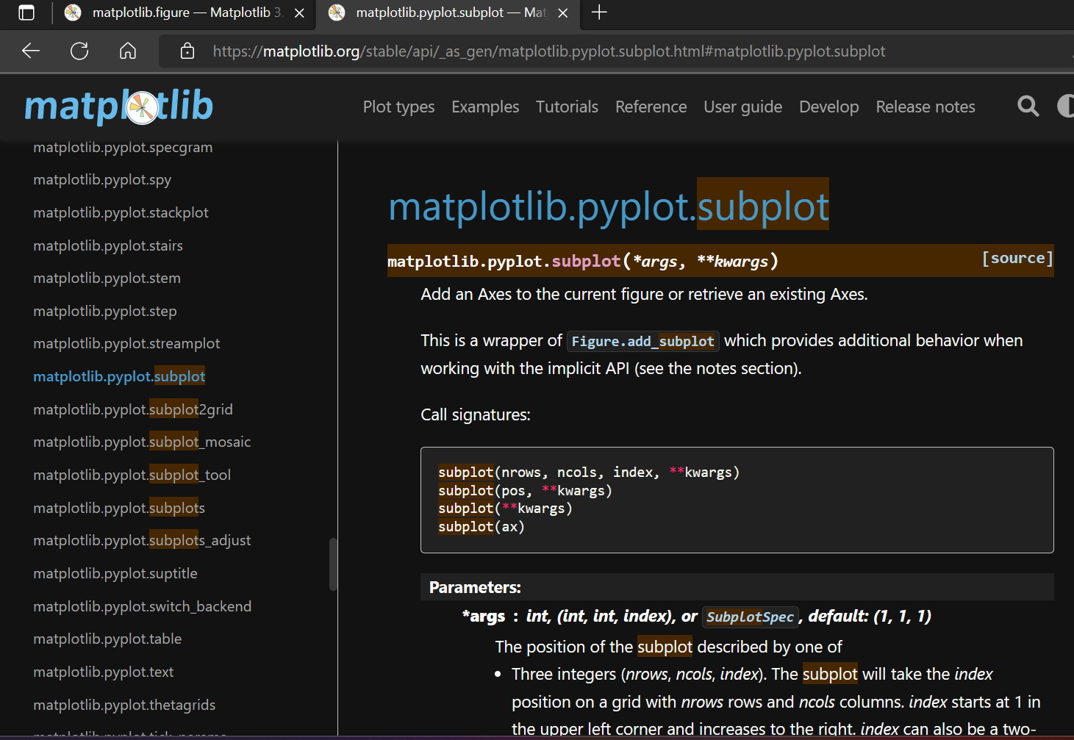

 | ⇰REFERENCE (Website)-->W3School (Dashboard) Regarding Regarding Matplotlib 's Subplot All Parameter Navigation

 | ⇰REFERENCE (Website)--> Google Colab 1.2 Matplotlib Basics Regarding (Practical Implementation of Hyperparameter plt.subplots

 | ⇰REFERENCE (Website)--> Google Colab 1.2 Linear Regression Regarding Practical Example of Subplotting

Q Why do we need Matplotlib Subplotting Despite We can Create Multiple Plot By Fig , Axes Method in (Matplotlib Basic) ? | ⇰REFERENCE (Website)-->Udemy (Matplotlib Subplotting) Regarding Matplot Subplotting Functionality

⇰Now since we already know how to create a figure object as well as add a set of axes to it.In theory, we could create a figure object and then manually add and the range sets of axes to line up multiple plots side by side. So we could have one plot on the left and one plot on the right, or maybe a two by two matrix of plots.However, to save us time map plot lib actually comes with a pre configured function call called plt .subplots that automatically does this for us.(ATTACHED LINK (For (Excel)Matplot Fig & Axes)→

 | ⇰REFERENCE (Excel Sheet)--> (1.1) Matplotlib Basics (Figures & Axes)

Q. So Now Question is What is Subplotting & How it Work? | ⇰REFERENCE (Website)--> Naukri.com Regarding Meaning of Subplotting plt.subplots()

⇰The plt.subplots() call allows us to easily create a figure and an axis object in side by side formations & what's nice about this is that the plot.subplots() command actually returns a tuple. So that tuple is going to create the figure canvas and then the other axes object is essentially a numpy array holding the axes objects.

 | ⇰REFERENCE (Website)--> Matplotlib Regarding Meaning of Matplotlib plt.subplots()

 | ⇰REFERENCE (Website)-->W3Schools Regarding Matplotlib.subplots()

⇰So what this actually looks like is when you call plt.subplots, you provide the number of rows and number of columns 1by1 you want for your actual set of axes, and then it's going to return both objects separately as a tuple.So you can then just assign it fig and then axes or axes is going to be a numpy array holding the individual axes objects. In This Case no of rows =1 & no of columns =2

 | ⇰REFERENCE (Website)-->Geeks for Geeks Regarding Matplotlib.subplots()



 | ⇰REFERENCE (Website)-->Udemy (Matplotlib Subplotting) Regarding Matplot Subplotting Functionality

⇰So for instance, if you wanted to expand this to maybe be two rows by two columns (2by2) , it would return something like this. | ⇰REFERENCE (Website)--> Google Colab 1.2 Matplotlib Basics Regarding (Practical Implementation of Hyperparameter plt.subplots

So Here 's The Main Components of Subplotting

⇰The main idea here is that it returns both your figure canvas and then this axes object, which is a numpy array (Remember Numpy array is Dimensional Array & in Matrix it useful for Indexing Purpose)that you can index to actually grab the axes to then plot on top of. So I keep mentioning this, but just to be clear, subplots going to return that tuple and by convention we label it fig axes where fig is the entire figure canvas and axes is that numpy array & the way it's organized is that it holds each of those individual map plot lib axes, objects according to position in the overall canvas. | ⇰REFERENCE (Website)-->Udemy (Matplotlib Subplotting) Regarding Matplotlib Functionality & Basic Mantra of Subplotting

 | ⇰REFERENCE (Excel Sheet)-->(1.1)Matplotlib Basics Regarding Meaning of Fig & Axes

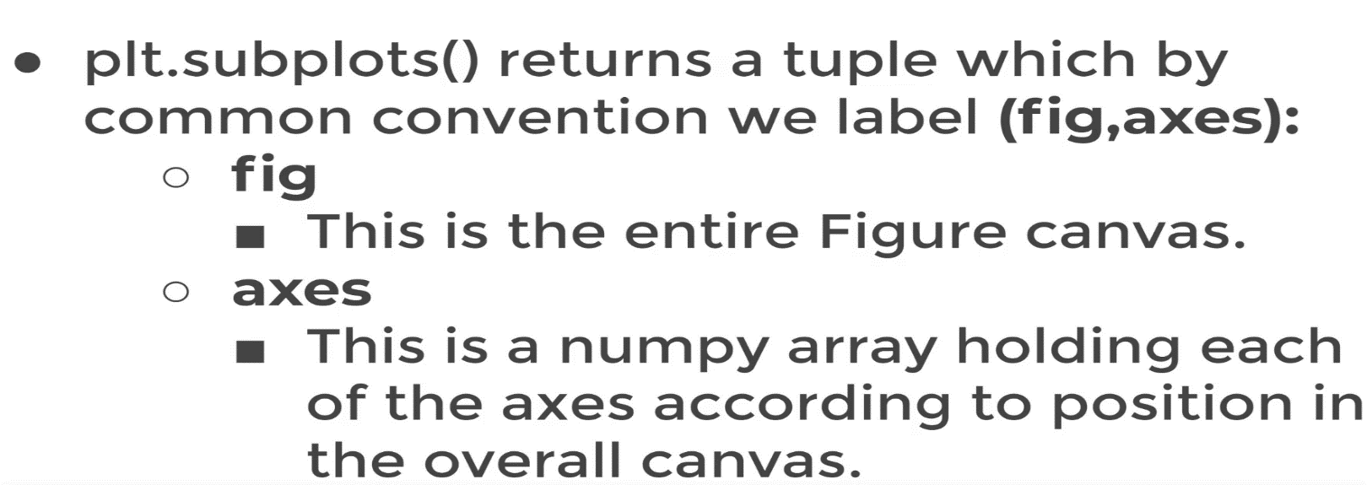

 | ⇰REFERENCE (Website)-->Udemy (Matplotlib Subplotting) Regarding Matplot Subplotting Functionality

 | ⇰REFERENCE (Website)--> Google Colab 1.2 Linear Regression Regarding Practical Example of Subplotting

Plotting on Axes Basis on Main fig Canvas & Using Indexing toSelect Axes & Customize Each Axes with Example

→What if Subplot Created Having One Row & 2 Column (1R& 2C) & How to Customize Each Subplot

⇰plt.subplots creates a figure and a grid of subplots with a single call, while providing reasonable control over how the individual plots are created. Like in This case In which We assign two type of Data (X,y) Which Depict Exponential Relationship & Plotted on left hand side because it is associated with axes 0. same goes to Other Datset (a,b) which depict linear relationship & plotted on right hand side because it is associated with axis 1. | ⇰REFERENCE (Website)-->Matplotlib Regarding Params (nrows() & ncols() of Different Axes (Plotting)

→(REFERENCE)-->For Further Information (Coding) Regarding Pl see 2nd Excel Sheet Subplotting 's Params (2by 2 Matrix)

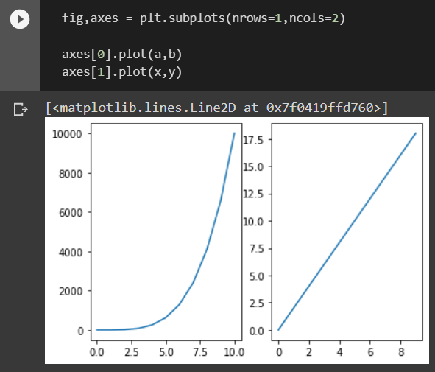 | ⇰REFERENCE (Website)--> Google Colab (1.2 )Matplotlib Subplotting Regarding plt.subplots (1 Rows (1R) & (2C) 2Column

 | ⇰REFERENCE (Website)--> W3 School Regarding Matplotlib Subplot

 | ⇰REFERENCE (Website)-->Udemy (Matplotlib Subplotting) Regarding Matplot Subplotting Functionality

 | ⇰REFERENCE (Website)--> Google Colab 1.2 Linear Regression Regarding Practical Example (Advts TV, Radio, Newspaper) 3 Subplots Creation in Subplotting

→What if Subplot Created Having 2 Row & 2 Column (2R & 2C) & How to Customize Each Subplot

 | ⇰REFERENCE (Website)-->Google Colab 1.2 Matplotlib Basics Regarding Subplot having 2R (2Rows) & 2C (2Columns)
❶So for instance, if you wanted to expand this to maybe be two rows by two columns (2by2) , it would return something like this.

❷Remember If We Plot 2 Dimensional in Numpy Array You notice it now creates that two by two set of axes on that plot, but it says, Hey, I'm getting an error.This is a really common error for beginners to get when they're first dealing with plt.subplots .That's subplots and it says this array object has no attribute plot.And the reason for that is now since I have two rows by two columns, this numpy array of axes is actually two dimensional.

→(REFERENCE)-->For Further Information (Coding) Regarding Pl see 2nd Excel Sheet Subplotting 's Params (2by 2 Matrix)

→What if Subplot Created Having Single Dimensional Array that is (Either Single Row Or Single Column Only ) Can be Run Through For Loop

⇰So this is now essentially a single dimensional array, you'll often see people do something like this. They can actually loop through it. I mean We can use this as alternative against plt.subplots() only if we are dealing with single dimension array (Either Single Row or Single Column) .So because this is now essentially a single dimensional array, you'll often see people do something like this. They can actually loop through it (for loop)here you can see now I have actually loop through this and plotted x, y and all of them. And as you can imagine, X and Y could be coming from another list. So you have this flexibility of actually looping through the axes if one of these happens to be equal to one. | ⇰REFERENCE (Website)--> Almabetter (Google Colab) Loops & Iteration Regarding What is For Loop & How Iteration Works .

 | ⇰REFERENCE (Website)-->Google Colab (Matplotlib Subplotting Regarding How to Run For Loop Having Single Dimensional Array with For Loop)

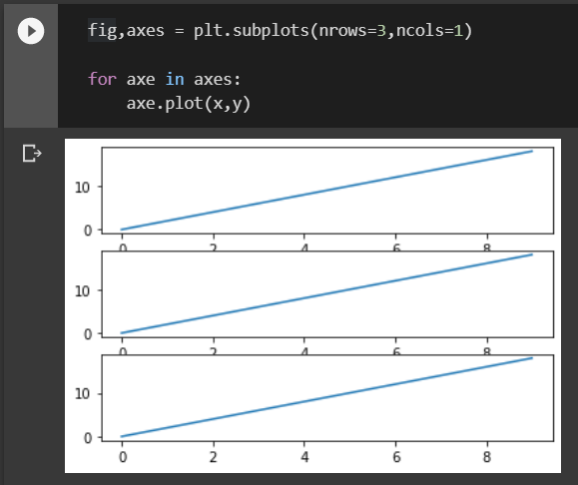

 | ⇰REFERENCE (Website)-->Udemy (Matplotlib Subplotting) Regarding Matplot Subplotting Functionality

 | ⇰REFERENCE (Website)--> Google Colab 1.2 Linear Regression Regarding Practical Example of Subplotting

Subplotting 's Params( )
MATPLOTLIB SUBPLOTTING 'S HYPER PARAMETER |  |  | REFERENCE

⇰ REMEMBER YOU CAN CHECK OUT ANY HYPER PARAMS FROM THIS CONTENTS (Pl see Index in Left Side go in Subsection you want to go & Navigate Further in Line (MATPLOTLIB DASHBOARD) |  |  | ⇰REFERENCE (Website)--> Matplotlib Dashboarrd Regarding Matplotlib 's All Parameter Navigation)

 |  |  | ⇰REFERENCE (Website)-->Udemy (Matplotlib Subplotting) Regarding Matplot Subplotting Functionality

 |  |  | ⇰REFERENCE (Website)--> Google Colab 1.2 Linear Regression Regarding Practical Example of Subplotting

 |  |  | ⇰REFERENCE (Website)--> Google Colab 1.2 Matplotlib Basics Regarding (Practical Implementation of Hyperparameter plt.subplots

 |  |  | ⇰REFERENCE (Website)-->Stackoverflow Regarding Param nrows() & ncols()

(fig_kw)--> All additional keyword arguments are passed to the plt.figure call . In Other word All those Parameter in plt.fig (plotting) will be available for plt.subplots too. (Link Attached) |  |  | ⇰REFERENCE (Website)-->Matplotlib Regarding Parameter (fig_kw)

 |  |  | ⇰REFERENCE (Website)-->Udemy (Matplotlib Subplotting) Regarding Matplot Subplotting Functionality

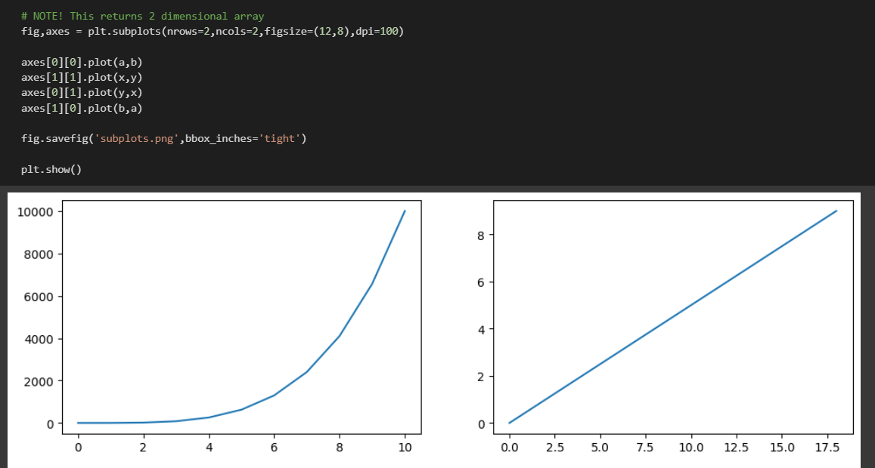 Ex of fig_kw() |  |  | ⇰REFERENCE (Website)--> Google Colab (1.2 Matplotlib Subplotting Regarding All figure Parameter (Keyword) available in Subplot Creation

 |  |  | ⇰REFERENCE (Website)-->Udemy (Matplotlib Subplotting) Regarding Matplot Subplotting Functionality

⇰nrows, ncols : int, default: 1 →Number of rows/columns of the subplot grid. Basically Think Like (Matrix Basis in Numpy Lesson) Where Various Multiplot (Axes) are Assigned on Canvas (Fig). Let 's Undertstand with Example |  |  | ⇰REFERENCE (Website)-->Matplotlib Regarding Param nrows() & ncols()

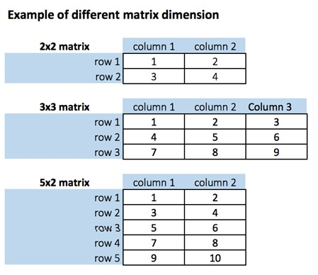
 |  |  | ⇰REFERENCE (Website)-->Introduction to Numpy Regarding Dimensional Array Aspects of Numpy

 |  |  | ⇰REFERENCE (Website)-->Udemy (Matplotlib Subplotting) Regarding Matplot Subplotting Functionality

 |  |  | ⇰REFERENCE (Website)--> Google Colab 1.2 Linear Regression Regarding Practical Example of Subplotting

❶So what this actually looks like is when you call plt.subplots, you provide the number of rows and number of columns 1by1 you want for your actual set of axes, and then it's going to return both objects separately as a tuple.So you can then just assign it fig and then axes or axes is going to be a numpy array holding the individual axes objects. In This Case no of rows =1 & no of columns =2

 |  |  | ⇰REFERENCE (Website)-->1.2 Google Colab Matplotlib Basics (Subplotting) Regarding Parameter (nrows=1 ,ncols=2) No of Rows & No of Columns
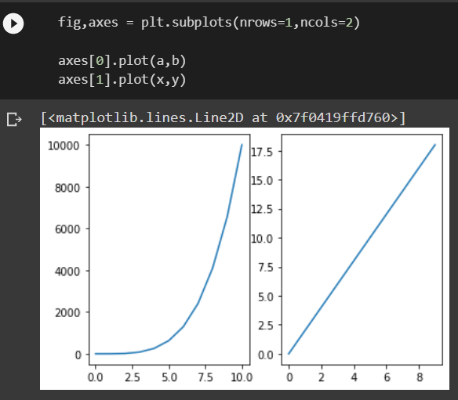

❷So for instance, if you wanted to expand this to maybe be two rows by two columns (2by2) , it would return something like this.

❸Remember If We Plot 2 Dimensional in Numpy Array You notice it now creates that two by two set of axes on that plot, but it says, Hey, I'm getting an error.This is a really common error for beginners to get when they're first dealing with plt.subplots .That's subplots and it says this array object has no attribute plot.And the reason for that is now since I have two rows by two columns, this numpy array of axes is actually two dimensional.
 |  |  | ⇰REFERENCE (Website)--> 1.2 Google Colab (Visualization) (Matplotlib Advanced(Additional Matplotlib Commands) Regarding Practical Implementation (Coding) Hyperparameter set_xtick & set_ytick

 |  |  | ⇰REFERENCE (Website)--> 1.2 Google Colab (Visualization) (Matplotlib Basics Subplotting) Regarding Practical Implementation (Coding) Hyperparameter set_xtick & set_ytick

⇰axes[0][0].set_xticks(ticks, labels=None, *, minor=False, **kwargs) Ticks are the markers denoting data points on axes. Matplotlib has so far .Matplotlib's default tick locators and formatters are designed to be generally sufficient in many common situations. Position and labels of ticks can be explicitly mentioned to suit specific requirements.(Basically Set the xaxis' tick locations and optionally labels). |  |  | ⇰REFERENCE (Website)-->Tutorial Point Regarding Parameter axes.set_xticks()

 |  |  | ⇰REFERENCE (Website)-->Matplotlib Regarding Parameter axes.set_xticks()

 |  |  | ⇰REFERENCE (Website)-->Geeks for Geeks Regarding Parameter axes.set_xticks()

⇰axes[0][0].set_yticks(ticks, labels=None, *, minor=False, **kwargs) Ticks are the markers denoting data points on axes. Matplotlib has so far .Matplotlib's default tick locators and formatters are designed to be generally sufficient in many common situations. Position and labels of ticks can be explicitly mentioned to suit specific requirements.(Basically Set the y axis' tick locations and optionally labels).
 |  |  | ⇰REFERENCE (Website)-->Matplotlib Regarding Parameter axes.set_yticks()

 |  |  | ⇰REFERENCE (Website)-->Tutorial Point Regarding Parameter axes.set_xticks()

 |  |  | ⇰REFERENCE (Website)-->W3cub Docs Regarding Parameter axes.set_yticks()

This method will mark the data points at the given positions with ticks
 |  |  | ⇰REFERENCE (Website)-->Tutorial Point Regarding Parameter axes.set_xticks()
⇰axes[0][0].set_xticklabels(labels, *, fontdict=None, minor=False, **kwargs) This method should only be used after fixing the tick positions using Axes.set_xticks . Otherwise, the labels may end up in unexpected positions.Similarly, labels corresponding to tick marks can be set by set_xlabels() and set_ylabels() functions respectively. Basically Set the xaxis' labels with list of string labels.

 |  |  | ⇰REFERENCE (Website)-->Tutorial Point Regarding Parameter axes.set_xtickslabels() & axes.set_ytickslabels()

 |  |  | ⇰REFERENCE (Website)--> Matplotlib Regarding Parameter Axes.set_xtickslabel()

⇰axes[0][0].set_yticklabels(labels, *, fontdict=None, minor=False, **kwargs) This method should only be used after fixing the tick positions using Axes.set_xticks . Otherwise, the labels may end up in unexpected positions.Similarly, labels corresponding to tick marks can be set by set_xlabels() and set_ylabels() functions respectively. Basically Set the y axis' labels with list of string labels. |  |  | ⇰REFERENCE (Website)-->Google Colab Matplotlib Basics (1.2) Regarding Usage of All Parameter (Including set_xlabels & set_ylabels) & (set_yticks & set_xticks)

⇰axes[0][0].set_xlim(xlabel, fontdict=None, labelpad=None, *, loc=None) The Axes. set_xlabel() function in axes module of matplotlib library is used to set the label for the x-axis at Axes Accordingly When Plot is Created with (Fig ,axes) method(OOB 2nd Method )axes Level . (Pl check Attached Link Above) |  |  | ⇰REFERENCE (Website)--> Geeks for Geeks Regarding Set_xlim usage in Respect to Limiting X values

⇰axes[0][0].set_ylim(self, xlabel, fontdict=None, labelpad=None) The Axes. set_xlabel() function in axes module of matplotlib library is used to set the label for the y-axis at Axes Accordingly When Plot is Created with (Fig,axes) method By OOB 2nd Method axes Level . (Pl check Attached Link Above)
 |  |  | ⇰REFERENCE (Website)-->Matplotlib Regarding Set_ylim usage in Respect to Limiting Y values

⇰axes[0][0].set_title (self, xlabel, fontdict=None, labelpad=None) The Axes.set_title() function in axes module of matplotlib library is used to set a title for the axes. |  |  | ⇰REFERENCE (Website)-->Stackoverflow Regarding How to increase plt.title , font size?

⇰axes[0][0].set_xlabel (self, xlabel, fontdict=None, labelpad=None) Set the label for the x-axis for the axes . |  |  | ⇰REFERENCE (Website)-->W3School Regarding How to increase plt.title,plt.xlabel,plt.ylabel font size?

⇰axes[0][0].set_ylabel (self, xlabel, fontdict=None, labelpad=None) Set the Label for the y-Axis for the axes. |  |  | ⇰REFERENCE (Website)--> W3School Regarding How to Increase plt.title, plt.xlabel,plt.ylabel , font size

⇰fig.suptitle(t="Figure Level",fontsize=16 ) Add a centered suptitle to the figure.
 |  |  | ⇰REFERENCE (Website)-->Matplotlib Regarding axes.set.xlabel()

❶ t : str The suptitle text.

❷ x : float, default: 0.5 The x location of the text in figure coordinates. |  |  | ⇰REFERENCE (Website)-->Matplotlib Regarding axes.set.ylabel()

❸y :float, default: 0.98 The y location of the text in figure coordinates.
 |  |  | ⇰REFERENCE (Website)-->Matplotlib Regarding axes.set.titlel()
❹ horizontalalignment, ha{'center', 'left', 'right'}, default: center The horizontal alignment of the text (Main Fig Title) relative to (x, y) You Can Change horizontal Alignment. In other Word horizontalalignment controls whether the x positional argument for the text indicates the left, center or right side of the text bounding box.

 |  |  | ⇰REFERENCE (Website)--> Matplotlib Regarding Parameter Suptitle
❺verticalalignment, va{'top', 'center', 'bottom', 'baseline'}, default: top verticalalignment controls whether the y positional argument for the text indicates the bottom, center or top side of the text bounding box.

❻ multialignment , ha{'center', 'left', 'right'}, default: center multialignment, for newline separated strings only, controls whether the different lines are left, center or right justified. |  |  | ⇰REFERENCE (Website)--> Matplotlib Regarding Parameter Horizontal , Vertical , Multi Alignment

(fig_kw)--> All additional keyword arguments are passed to the plt.figure call . In Other word All those Parameter in plt.fig (plotting) will be available for plt.subplots too. (Link Attached) |  |  | ⇰REFERENCE (Website)-->Matplotlib Regarding Parameter (fig_kw)

 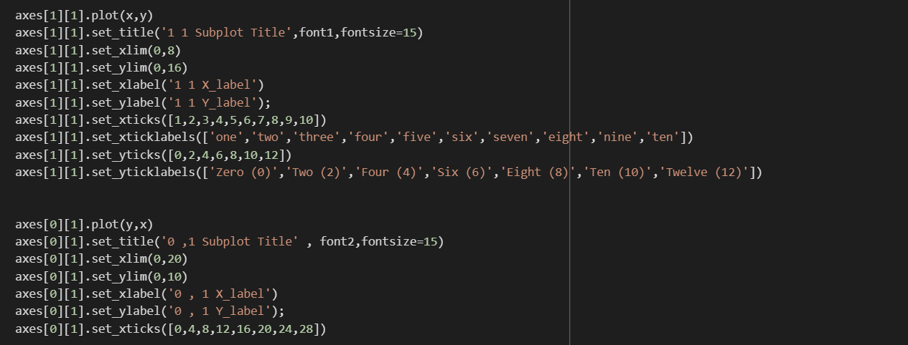

 |  |  | ⇰REFERENCE (Website)--> Stackoverflow Regarding Horizontal alignment of multi-line text in a matplotlib text box

 |  |  | ⇰REFERENCE (Website)-->Stackoverflow Regarding How to set a single, main title above all the subplots with Pyplot?

 |  |  | ⇰REFERENCE (Website)--> Stackoverflow Regarding Matplotlib Plot's Title and Suptitle are Not Aligned

 |  |  | ⇰REFERENCE (Website)-->Google Colab Matplotlib Basics (1.2) Regarding Usage of All Parameter (Including set_xlabels & set_ylabels) & (set_yticks & set_xticks)

 |  |  | ⇰REFERENCE (Website)-->Udemy (Matplotlib Subplotting) Regarding Matplot Subplotting Functionality

 |  |  | ⇰REFERENCE (Website)--> Google Colab 1.2 Linear Regression Regarding Practical Example of Subplotting

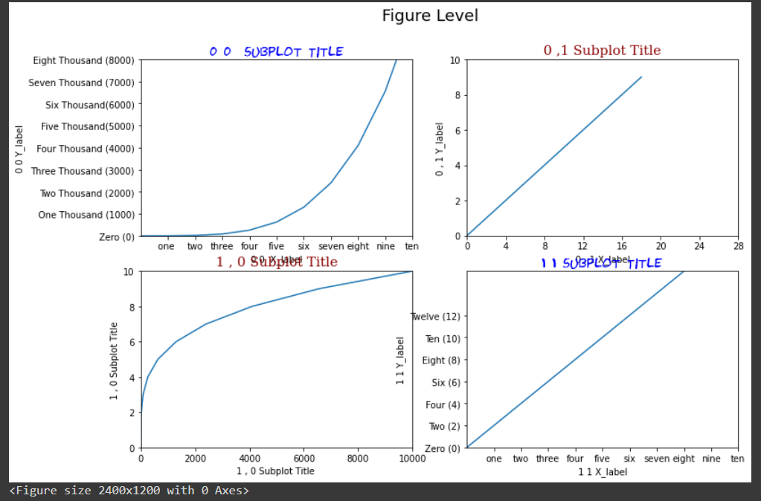

⇰plt.tight_layout() ❶tight_layout automatically adjusts subplot params so that the subplot(s) fits in to the figure area. This is an experimental feature and may not work for some cases. It only checks the extents of ticklabels, axis labels, and titles. Basically And what it's going to do is it's going to automatically attempt to make sure that no set of axes, tickers are overlapping over anything else. |  |  | ⇰REFERENCE (Website)-->Matplotlib Regarding Param plt.tight_layout() for Automatic Adjustment

 |  |  | ⇰REFERENCE (website)-->Google Colab (Matplotlib Subplotting) Regarding Param plt.tight_layout for Automatic Adjustment of Subplots()

❷Sometimes In the case of multiple subplots, we see that ticklabels, labels, titles, legends, etc overlapping each other (Like Below) .Sometimes In the case of multiple subplots, we see that ticklabels, labels, titles, legends, etc overlapping each other.The main aim of this function (tight_layout) is to minimize the overlaps instead of clipping them.
 |  |  | ⇰REFERENCE (Website)--> Python Guide Regarding Parameter plt.tight_layout for Sublot Adjustment

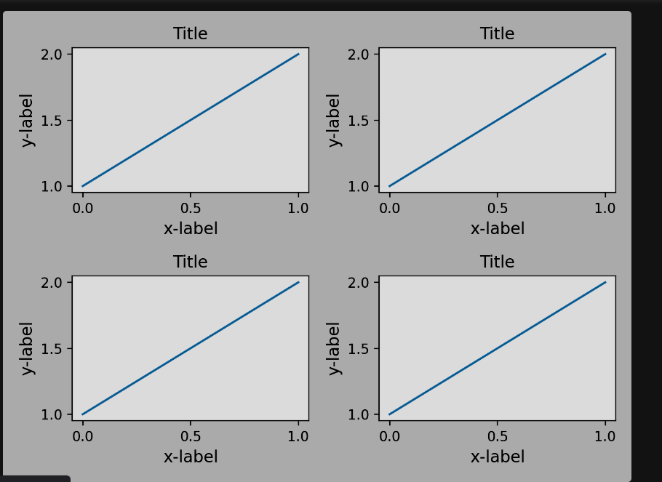
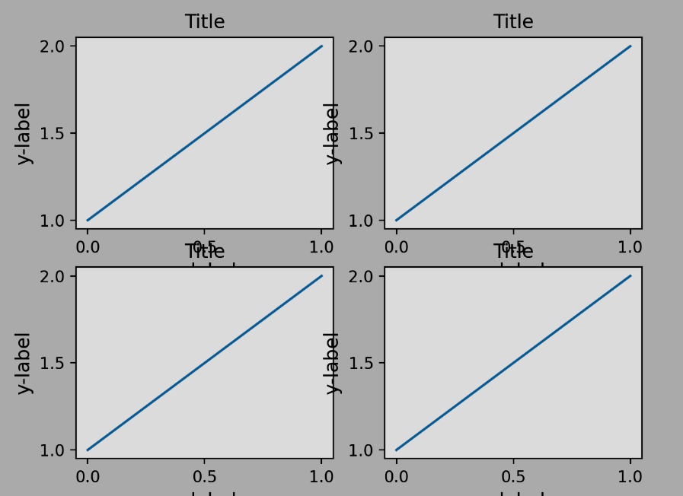
 |  |  | ⇰REFERENCE (Website)-->Geeks for Geeks Regarding Parameter plt.tight_layout()

 | → |  | ⇰REFERENCE (Website)-->Stackoverflow Regarding How to use matplotlib tight layout with Figure?

 |  |  | ⇰REFERENCE (Website)-->Udemy (Matplotlib Subplotting) Regarding Matplot Subplotting Functionality

 |  |  | ⇰REFERENCE (Website)--> Google Colab 1.2 Linear Regression Regarding Practical Example of Subplotting

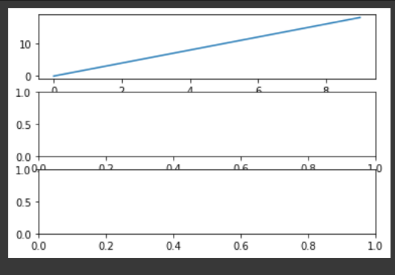 |  | 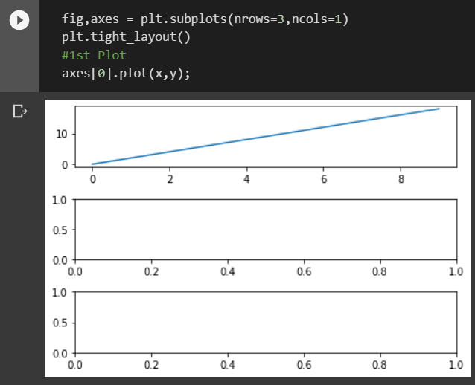

 | →

⇰plt.plot(x,y,a,b) ❶Here We Can see Multiple (X & Y) & (A & B) Added On the same plot That is on Fig Axes(1) |  |  | ⇰REFERENCE (Website)-->Udemy (Matplotlib Subplotting) Regarding Matplotlib Functionality & Basic Mantra of Subplotting


 |  |  | ⇰REFERENCE(Website)-->[Matplotlib Regarding Params (nrows() & ncols())

 |  |  | ⇰REFERENCE (Website)-->[Google Colab (1.1) Matplotlib Basics Regarding Multiple X & Y (Axes) Creation in The Same Plot

 |  |  | ⇰REFERENCE (Website)-->Google Colab 1.4 Matplotlib Advanced 's Practical Implementation Regarding Multiple X & Y On the same plot

 |  |  | ⇰REFERENCE (Website)-->[Google Colab Supervised learning (1.3 Polynomial Regression Regarding Usage of Param Linewidth (lw)] (Practical Implementation)

Difference in between parameter subplot_adjust() & parameter plt.tight_layout()

→There is difference inbetween plt.tight_layout & pl.subplot_adjust is that The plt.tight_layout function in the matplotlib library is used to automatically adjust the proper space between the subplots so that it fits into figure (canvas).While The plt.subplots_adjust() is a function in matplotib library, which we manually used to adjust or refine the subplot structure or design. |  |  | ⇰REFERENCE (Website)--> Python Guide Regarding Parameter plt.tight_layout for ( Automatically )Sublot Adjustment

 |  |  | ⇰REFERENCE (Website)--> Geeks for Geeks Regarding Param plt.subplots_adjust() for Manually Subplots Adjustment
⇰plt.subplots_adjust((left=None, bottom=None, right=None, top=None, wspace=None, hspace=None) ❶The subplots_adjust() function in pyplot module of matplotlib library is used to tune the subplot layout. Basically in other word plt.subplot_adjust() is Manually Adjusting subplot layout parameters. We can create How much space or Gap in between each & every Subplots in terms of (width & height )& (up & below) suplot we want to create.

 |  |  | ⇰REFERENCE (Website)--> Matplotlib Regarding Parameter plt.subplots_adjust() for Manually Subplot Adjustment

❷The parameter meanings (and suggested defaults) are for Param plt.subplot_adjust():

→left : This parameter is the left side of the subplots of the figure. →right : This parameter is the right side of the subplots of the figure. →bottom : This parameter is the bottom of the subplots of the figure. →top : This parameter is the top of the subplots of the figure. →wspace : This parameter is the amount of width reserved for space between subplots expressed as a fraction of the average axis width. →hspace : This parameter is the amount of height reserved for space between subplots expressed as a fraction of the average axis height. |  |  | ⇰REFERENCE (Website)-->Google Colab 1.2 Matplotlib Basics (Subplotting) Regarding Parameter plt.subplots_adjust( (left=None, bottom=None, right=None, top=None, wspace=None, hspace=None))

 |  |  | ⇰REFERENCE (Website)-->(Google Colab 1.2 Linear Regression) Regarding Parameter fontdict()

FINAL (SUBPLOT *4)WITH NICE LAYOUT ADJUSTMENT (OBVIOUSLY AFTER plt.tight_layout() & plt.subplots_adjust() (Link Attached) |  |  | ⇰REFERENCE (Website)--. Google Colab (1.2 Matplotlib Basics Subplotting) Regarding Perfect Plot Creation with Nice Layout Adjustement

 |  |  | ⇰REFERENCE (Website)-->Google Colab 1.2 Matplotlib Basics (Subplotting) Regarding Parameter Subplot_adjust() Practical Implementation in Colab

 |  |  | ⇰REFERENCE (Website)--> Geeks for Geeks Regarding Param plt.subplots_adjust() for Manually Subplots Adjustment

 |  |  | ⇰REFERENCE (Website)--> Matplotlib Regarding Parameter plt.subplots_adjust() for Manually Subplot Adjustment

 |  |  | ⇰REFERENCE (Website)--> Matplotlib Regarding Parameterplt.subplots_adjust( (left=None, bottom=None, right=None, top=None, wspace=None, hspace=None))

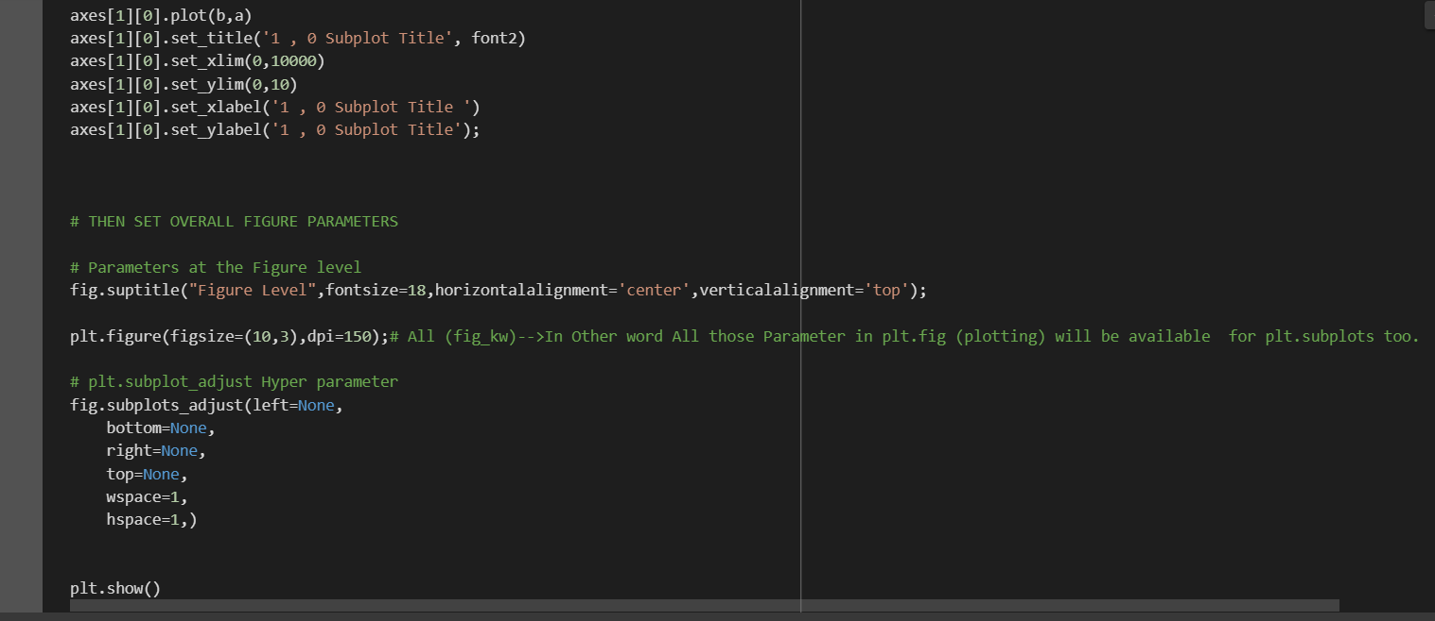

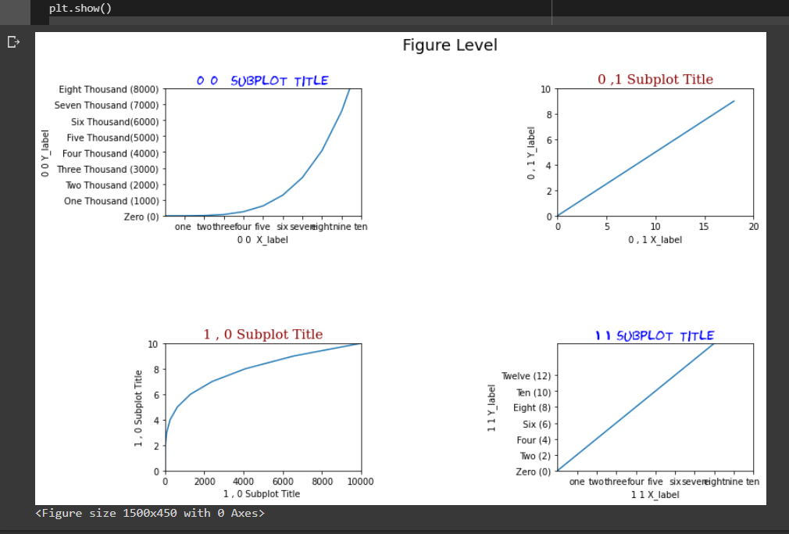

 |  |  | ⇰REFERENCE (Website)--> Google Colab (1.2 Matplotlib Basics Regarding Perfect Plot Creation with Nice Layout Adjustement

 |  |  | ⇰REFERENCE (Website)-->Udemy (Matplotlib Subplotting) Regarding Matplot Subplotting Functionality

 |  |  | ⇰REFERENCE (Website)--> Google Colab 1.2 Linear Regression Regarding Practical Example of Subplotting

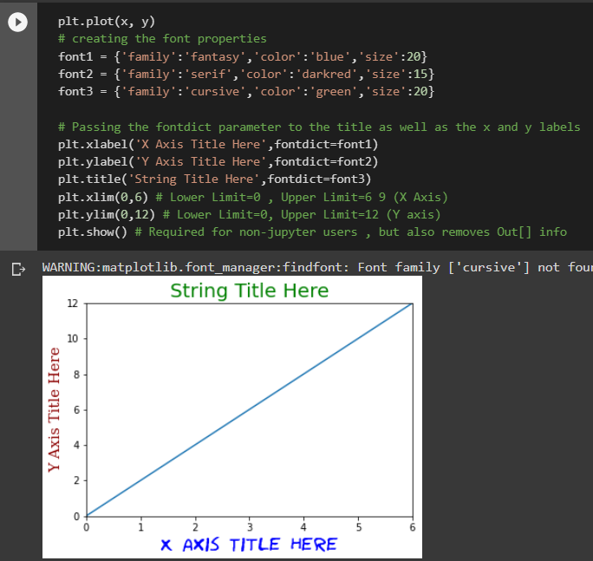 ⇰fontdict--> |  |  | ⇰REFERENCE (Website)-->Educative Regarding How to set font properties for title and labels in Matplotlib

 |  |  | ⇰REFERENCE (Website)-->Stackoverflow Regarding How to increase plt.title font size?

 |  |  | ⇰REFERENCE (Website)-->W3School Regarding How to increase plt.title,plt.xlabel,plt.ylabel font size?

 |  |  | ⇰REFERENCE (Website)--> W3School Regarding How to Increase plt.title, plt.xlabel,plt.ylabel font size

 |  |  | ⇰REFERENCE (Website)-->Udemy (Matplotlib Subplotting) Regarding Matplot Subplotting Functionality

 |  |  | ⇰REFERENCE (Website)--> Google Colab 1.2 Linear Regression Regarding Practical Example of Subplotting

 |  |  | ⇰REFERENCE (Website)-->1.2 Google Colab Matplotlib Basics Regarding Practical Implementation of Parameter fontdict()

 |  |  | ⇰REFERENCE (Excel Sheet) --> Excel Sheet Matplotlib Basics (Function & OOB) Regarding Parameter fontdict()

